printscreen
Print screen A
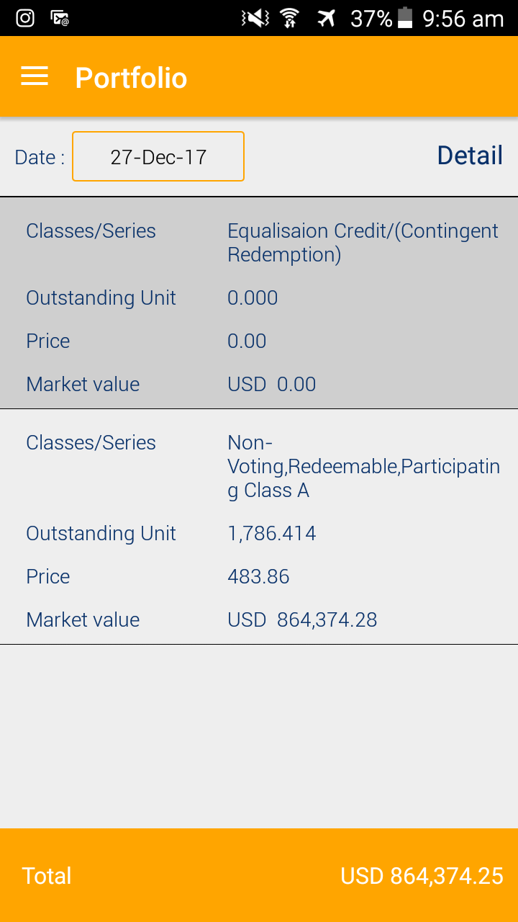

 | 1 | should not appear, EQ/(CR) should appear same to details part
 | 2 | typo for Equalisation

 |  | not matched with market value above

Print screen B

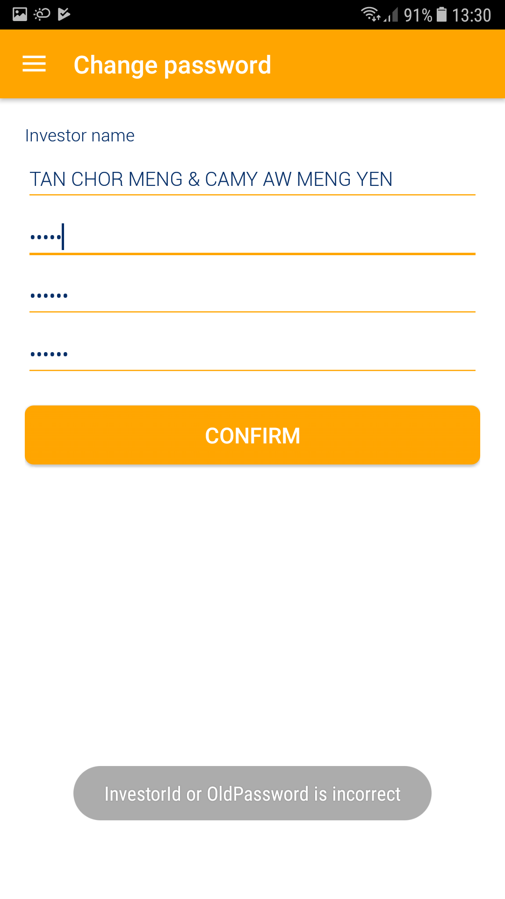

 |  | Old password is incorrect
 |  | or
 |  | New password does not match

